About
BESP BAU EV Subsidy Percentage

Sources: | Tax Subsidy Amount
 | “Promotion of Electric Vehicles in Hong Kong”
 | 2019
 | Environmental Protection Department
 | https://www.epd.gov.hk/epd/english/environmentinhk/air/prob_solutions/promotion_ev.html

 | BMW i3 94Ah LCI
 | BMW Hong Kong
 | 2018
 | i3 94Ah LCI
 | https://www.bmwhk.com/en/fastlane/price-list.html#/bookmark=aHR0cHM6Ly9sb2NhbC5ibXdoay5jb20vbmV3LWNhci9wcmljZS1saXN0

 | BMW i3 94Ah
 | BMW Hong Kong
 | 2018
 | i3 94Ah
 | https://www.bmwhk.com/en/fastlane/price-list.html#/bookmark=aHR0cHM6Ly9sb2NhbC5ibXdoay5jb20vbmV3LWNhci9wcmljZS1saXN1

 | Nissan e-NV200
 | Nissan Hong Kong
 | 2019
 | e-NV200
 | https://en.nissan.com.hk/vehicles/new/e-nv200-van.html

 | Nissan e-NV200 Evalia
 | Nissan Hong Kong
 | 2019
 | e-NV200 Evalia
 | https://en.nissan.com.hk/vehicles/new/e-nv200-evalia.html

 | Renault ZOE ZE
 | Renault Hong Kong
 | 2018
 | ZOE ZE
 | https://www.renault.com.hk/range.html

 | Renault Kangoo ZE 33
 | Renault Hong Kong
 | 2018
 | Kangoo ZE 33
 | https://www.renault.com.hk/range.html

 | Mitsubishi iMiEV
 | Universal Cars Limited
 | 2016
 | iMiEV
 | https://www.automomo.hk/wp-content/uploads/2016/03/UCL-2016-Price-List-001-1617-160719.pdf

 | Mitsubishi Minicab-MiEV
 | Universal Cars Limited
 | 2016
 | Minicab-MiEV
 | https://www.automomo.hk/wp-content/uploads/2016/03/UCL-2016-Price-List-001-1617-160719.pdf

 | Mitsubishi Outlander PHEV (twin motor)
 | Universal Cars Limited
 | 2016
 | Outlander PHEV
 | https://www.automomo.hk/wp-content/uploads/2016/03/UCL-2016-Price-List-001-1617-160719.pdf

 | BYD e6
 | Reuters
 | 2013
 | e6
 | https://www.reuters.com/article/us-byd-hongkong-idUSBRE94E0CB20130515

 | Volkswagen Egolf
 | Volkswagen Hong Kong
 | 2019
 | Egolf
 | https://www.vw.com.hk/en/finance-offers/promo/201801-e-golf-test-drive.html

Notes: | (a) electric private cars, a tiered structure is implemented:

 | i. except for eligible private car owners (see (a) ii. below), FRT for electric private cars will continue to be waived up to $97,500 from 1 April 2018 to 31 March 2021, as at present.

 | ii. a new “One-for-One Replacement” Scheme will be launched from 28 February 2018 to 31 March 2021 (both dates inclusive), allowing private car owners who arrange to scrap and de-register their own eligible old private car (private car with an internal combustion engine or electric private car) and then first register a new electric private car to enjoy a higher FRT concession up to $250,000.

 | (b) electric commercial vehicles (including goods vehicles, buses, light buses, taxis, and special purpose vehicles), electric motor cycles and electric motor tricycles: their FRT will continue to be waived in full from 1 April 2018 to 31 March 2021.

 | The subsidy percentage calculations only consider the waivable $97,500 FRT. The one-for-one replacement concession is not used in percentage calculations as it highly dependent on vehicle types and scheme requirements.

 | We account for city-level EV subsidies but not charging equipment.
 | For assumptions governing EV tax credit phase-out, see the "Data" tab.
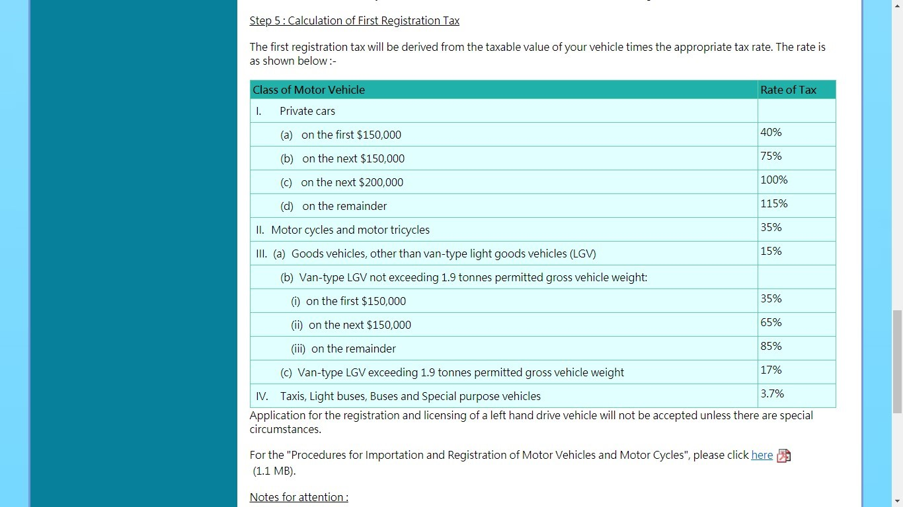

 | Source: https://www.td.gov.hk/en/public_services/licences_and_permits/vehicle_first_registration/guidelines_for_importation_and_registration_of_mot/

